Sheet1
 |  |  |  |  | SIM-KS2 ODASI KLİMA TÜKETİM RAPORU (Kwh)

Data Warnings

 |  | Message |  |  |  |  |  |  | Date Added
 |  | Data was not available for some of the selected source and measurement combinations. |  |  |  |  |  |  | 11/1/2023 12:15:28 AM
 |  | One or more gaps were detected in data used for this report. |  |  |  |  |  |  | 11/1/2023 12:15:17 AM

 |  | Usage Summary

 |  | Source | Real Energy (kWh) |  |  |  |  |  |  |  |  |  |  |  |  |  |  |  |  |  |  |  |  |  |  |  | Real Energy Into the Load (kWh)
 |  |  | January 2023 |  |  | February 2023 |  | March 2022 |  | March 2023 | April 2022 | April 2023 | May 2022 | May 2023 | June 2022 | June 2023 | July 2022 | July 2023 | August 2022 | August 2023 | September 2022 | September 2023 | October 2022 | October 2023 | November 2022 | December 2022 | January 2023 | February 2023 | March 2022 | March 2023 | April 2022 | April 2023 | May 2022 | May 2023 | June 2022 | June 2023 | July 2022 | July 2023 | August 2022 | August 2023 | September 2022 | September 2023 | October 2022 | October 2023 | November 2022 | December 2022
 |  | SIM-KS2 KLİMA | 11,330.27 |  |  | 10,240.97 |  | 10,728.95 |  | 11,265.21 | 10,940.05 | 9,733.95 | 11,327.73 | 9,206.48 | 10,971.83 | 8,168.12 | 11,246.38 | 7,364.21 | 11,344.25 | 7,121.37 | 10,976.91 | 7,211.84 | 11,345.52 | 7,623.35 | 10,974.37 | 11,344.25 | 11,330.27 | 10,240.97 | 10,728.95 | 11,265.21 | 10,940.05 | 9,733.95 | 11,327.73 | 9,206.48 | 10,971.83 | 8,168.12 | 11,246.38 | 7,364.21 | 11,344.25 | 7,121.37 | 10,976.91 | 7,211.84 | 11,345.52 | 7,623.35 | 10,974.37 | 11,344.25
 |  | Total | 11,330.27 |  |  | 10,240.97 |  | 10,728.95 |  | 11,265.21 | 10,940.05 | 9,733.95 | 11,327.73 | 9,206.48 | 10,971.83 | 8,168.12 | 11,246.38 | 7,364.21 | 11,344.25 | 7,121.37 | 10,976.91 | 7,211.84 | 11,345.52 | 7,623.35 | 10,974.37 | 11,344.25 | 11,330.27 | 10,240.97 | 10,728.95 | 11,265.21 | 10,940.05 | 9,733.95 | 11,327.73 | 9,206.48 | 10,971.83 | 8,168.12 | 11,246.38 | 7,364.21 | 11,344.25 | 7,121.37 | 10,976.91 | 7,211.84 | 11,345.52 | 7,623.35 | 10,974.37 | 11,344.25

 |  | Relative Usage Column Chart

 |  | 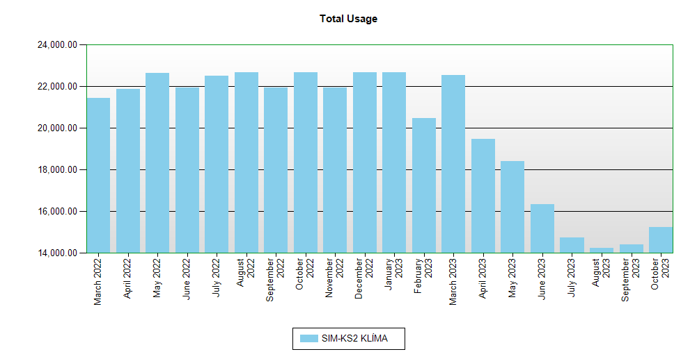

 | Interval Usage Data

 |  | Period : January 2023 Interval : Day of Month |  | SIM-KS2 KLİMA |  |  | Interval Total
 |  | 1 |  | 732.13 |  |  | 732.13
 |  | 2 |  | 732.13 |  |  | 732.13
 |  | 3 |  | 732.13 |  |  | 732.13
 |  | 4 |  | 732.13 |  |  | 732.13
 |  | 5 |  | 732.13 |  |  | 732.13
 |  | 6 |  | 732.13 |  |  | 732.13
 |  | 7 |  | 732.13 |  |  | 732.13
 |  | 8 |  | 732.13 |  |  | 732.13
 |  | 9 |  | 732.13 |  |  | 732.13
 |  | 10 |  | 732.13 |  |  | 732.13
 |  | 11 |  | 732.13 |  |  | 732.13
 |  | 12 |  | 732.13 |  |  | 732.13
 |  | 13 |  | 727.05 |  |  | 727.05
 |  | 14 |  | 729.59 |  |  | 729.59
 |  | 15 |  | 724.51 |  |  | 724.51
 |  | 16 |  | 732.13 |  |  | 732.13
 |  | 17 |  | 732.13 |  |  | 732.13
 |  | 18 |  | 732.13 |  |  | 732.13
 |  | 19 |  | 729.59 |  |  | 729.59
 |  | 20 |  | 729.59 |  |  | 729.59
 |  | 21 |  | 732.13 |  |  | 732.13
 |  | 22 |  | 732.13 |  |  | 732.13
 |  | 23 |  | 732.13 |  |  | 732.13
 |  | 24 |  | 732.13 |  |  | 732.13
 |  | 25 |  | 732.13 |  |  | 732.13
 |  | 26 |  | 727.05 |  |  | 727.05
 |  | 27 |  | 732.13 |  |  | 732.13
 |  | 28 |  | 729.59 |  |  | 729.59
 |  | 29 |  | 724.51 |  |  | 724.51
 |  | 30 |  | 732.13 |  |  | 732.13
 |  | 31 |  | 732.13 |  |  | 732.13
 |  | Period Totals |  | 22,660.54

